MEASUREMENTS
NITRO WOMENS JACKET |  |  |  |  |  |  |  | SAMPLE SIZE SMALL / XS-L
SEASON: |  | WINTER 2018/2019 |  |  |  |  |  | CONTRACTOR: |  |  |  |  |  | 0
STYLE NUMBER: |  | W18-108 |  |  |  |  |  | DATE CREATED: |  |  |  |  |  | 2017-03-24
STYLE NAME: |  | REDUCE ANORAK |  |  |  |  |  | DATE REVISED: |  |  |  |  |  | 0
WATERPROOF/BREATHABILITY: |  | 0 |  |  |  |  |  | BLOCK: |  |  |  |  |  | 0
SEAM SEALINING: |  | NOT SEAM SEALED |  |  |  |  |  | FIT: |  |  |  |  |  | 0
INSULATION: |  | 100G PINNECO CORE |  |  |  |  |  | TARGET FOB: |  |  |  |  |  | $0.00
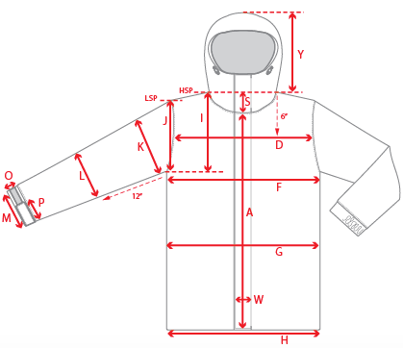 |  |  | 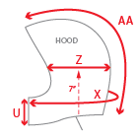 |  |  | 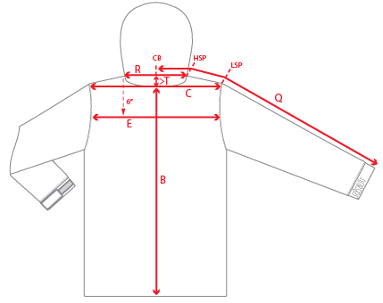
 |  |  |  | 1ST PROTO |  |  | 2ND PROTO |  |  | 3RD PROTO |  |  | S/SAMPLE |  |  | PP SAMPLE |  | FINAL
 |  |  | DATE: |  |  | DATE: |  |  | DATE: |  |  | DATE: |  |  | DATE:
 |  | TOL +/- | INITIAL MEASMNT | SAMPLE MEASURES | REVISE TO | REQUESTED | SAMPLE MEASURES | REVISE TO | REQUESTED | SAMPLE MEASURES | REVISE TO | REQUESTED | SAMPLE MEASURES | REVISE TO | REQUESTED | SAMPLE MEASURES | REVISE TO | APPROVED MEASMNTS
A | CF LENGTH - FROM NECKLINE | 0.25 | 22.5
B | CB LENGTH - FROM NECKLINE | 0.25 | 26
C | SHOULDER WIDTH | 0.25 | 15.5
D | ACROSS FRONT- 6" FROM HPS | 0.25
E | ACROSS BACK- 6" FROM HPS | 0.25
F | CHEST WIDTH - 1" BELOW ARMHOLE (1/2 MEASURE) | 0.25 | 19.5
G | WAIST WIDTH - FROM HSP: XS-16", S-16.5", M-17", L-17.5" (1/2 MEASURE) | 0.25 | 19
 | HIP WIDTH - FROM HSP: XS-22", S-22.5", M-23", L-23.5" (1/2 MEASURE) | 0.25 | 20
H | HEM OPENING- RELAXED - (1/2 MEASURE) | 0.25 | 19.25
 | HEM OPENING - EXTENDED- (1/2 MEASURE) | 0.25 | 21.5
I | ARMHOLE FRM HSP - STRAIGHT (1/2 MEASURE) | 0.125
J | ARMHOLE FRM LSP - STRAIGHT (1/2 MEASURE) | 0.125 | 9
K | BICEP - 1" BELOW UNDERARM (1/2 MEASURE) | 0.125 | 8
L | ELBOW - 10" BELOW UNDERARM (1/2 MEASURE) | 0.125 | 6
M | SLEEVE OPENING - RELAXED (1/2 MEASURE) | 0.125 | 4
N | SLEEVE OPENING - STRETCHED (1/2 MEASURE) | 0.125 | 5
 | WRIST GATOR LENGTH | 0.125
 | WRIST GATOR OPENING (1/2 MEASURE) | 0.125
O | CUFF HEIGHT | 0.125
P | CUFF TAB LENGTH | 0.125
Q | CB SLEEVE LENGTH - 3 PT MEASURE FROM CB | 0.25 | 33.25
R | NECK WIDTH - STRAIGHT HPS TO HPS (1/2 MEASURE) | 0.125 | 9
S | FRONT NECK DROP - FROM HSP | 0.125 | 3.75
T | BACK NECK DROP - FROM HSP | 0.125 | 1
U | CF COLLAR HEIGHT | 0.125 | 4
V | CB COLLAR HEIGHT | 0.125
W | CENTER FRONT PLACKET WIDTH | 0.125
X | COLLAR CIRCUMFERENCE | 0.25 | 27
Y | HOOD HEIGHT - SHOULDER SEAM TO TOP | 0.125 | 14
Z | HOOD WIDTH - 8" DOWN | 0.125 | 10
AA | HOOD RUN | 0.25 | 20.25
AB | POWDER SKIRT LENGTH - EDGE TO EDGE, RELAXED | 0.5
AC | WAIST GAITER ELASTIC - FULL MEAS. RELAXED | 0.5
AD | WAIST GAITER ELASTIC - MIN. FULL MEAS. EXTENDED | 0.5
AE | POWDER SKIRT HEIGHT AT CB (INCLUDES ELASTIC) | 0.25
 | CHEST POCKET WELT LENGTH | 0.125
 | CHEST POCKET WELT WIDTH | 0.125
 | HAND POCKET WELT/FLAP LENGTH | 0.125
 | HAND POCKET WELT/FLAP WIDTH | 0.125
ZIPPERS | CENTER FRONT | 0.25 | 11.5
 | HAND POCKETS VERTICAL | 0.125 | 7

 | ZIPPER RULES:
 | CF = XXX SHORTER THAN CF LENGTH

